Summer AY Calc
Summer Rate & Low Enrollment Calculator

STEP 1: What is the AY Base Salary? | 4,229.00
Summer 1/30th Unit Rate is: | 1,691.60
STEP 2: What are the Summer Paid Units? | 3
Total Pay Amount is: | 5,074.80

IF THIS IS A LOW ENROLLED COURSE PROCEED TO STEP 3
STEP 3: What is the % of full pay due? | 85% | Acceptable Value
Reduced 1/30th Rate is: | 1,437.86
Total Gross Due to Employee is: | 4,313.58

Enrollment Based Compensation
Only faculty who held a Fall and/or Spring appointment in the previous academic year (2360, 2358 and 2481) will be paid at the "1/30th rate" calculated according to the following formula:

(FT AY Salary Rate x 12 / 30) = 1/30th Unit Rate x (# Summer WTUs) = Total Pay Amount

For example, a faculty member with a (full-time) monthly base of $7109 during the 2020-2021 Academic Year
and teaching one 3 unit course in any summer session would earn $8530.80 for that course:
([$7109 x 12 = $85308] / 30) = $2843.60 x (3WTU) = $8530.80

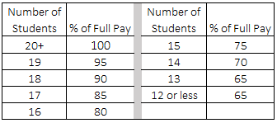
ALL classes for Summer that are low enrolled as of Summer Census are subject to enrollment based compensation. If the course to which a faculty unit employee has been assigned has enrollment of fewer than 20 students at the second class meeting, the faculty member may withdraw from the appointment at that time and receive full pro-rata Compensation. per 2013-2014 CBA

